Title page
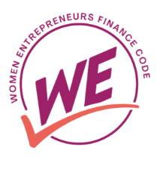

WE Finance Initiative in partnership with the OECD and the Financial Alliance for Women

About the WE-finance Code

The Women Entrepreneurs Finance Code (the WE Finance Code or, simply, the Code) is a commitment by FSPs, regulators, development banks, and other financial ecosystem players to work together to increase the funding provided to WMSMEs around the world, so that they can grow and add value to the economy and their communities. The Code uses a data-driven, multi-stakeholder approach that aims to stimulate systemic change in how women entrepreneurs are financed by: • Engaging leaders who can prompt action inside and outside of their organizations • Catalyzing new financial and non-financial mechanisms to meet the needs of women MSMEs • Mainstreaming the collection, analysis, and use of supply-side data on financing of women MSMEs • Improving standards, policies, and regulations to address data gaps and financing constraints • Mobilizing capital for financing and technical support for women MSMEs The WE Finance Code functions at the global and national levels, built on a global framework that can be adapted to local contexts. Each country that launches a Code has flexibility in how they adopt and implement the Code.

The role of the OECD
Building on the expertise and experience with the Financing SMEs and Entrepreneurs: An OECD Scoreboard, launched in 2012, the OECD is acting as the global data aggregator for the WE Finance Code. The OECD would work with national data aggregators to support them in ensuring quality and transparency in data collection on women entrepreneurs’ access to finance at the national level.

1. How to use the template
WE-Finance Initiative in partnership with the OECD and the Financial Alliance for Women

Purpose
This standarised template aims to support a timely data collection that allows improvements in the cross-country comparison of sex-disaggregated data in MSME financing. The use of this template is also intended to facilitate the future publication of the data to the OECD Data Explorer or other channels, from which it ca be customised and downloaded for further manipulation.

Timeline of reporting
The annual data collection cycle will run from March up until June 30, during which national authorities are expected to provide data for the previous calendar year (2025) and if data is available for 2024 (voluntary).

Guidance to fill in the template

Core Indicators tab:
This tab contains the indicators that country signatories of the WE-Fi Code are requested to report on. There are five indicators in total (shaded in dark blue) disaggregated by number and value, sex (women and non-women), and size (micro and SME). Before starting, please include the name of your country and the information of the number of financial institutions reporting on these indicators as well as the percentage of banking assets those institutions represent (shaded in purple). Please ensure the sample is the same for all the indicators that you are reporting on. Explanations of each column: - Unit: It specifies the unit on which each national aggregator is required to report for each indicator (either number, national currency in current prices, or per cent). Please do not change the unit and avoid converting national currencies into foreign currencies. If you are not able to report on the requested unit, please contact the OECD. - Powercode: It specifies the scale on which each national aggregator would report for each indicator, either thousands ('000), millions ('000 000), or billions ('000 000 000). Please include the scale you will use for each indicator (using the drop-down menu) and avoid changing it between reporting cycles. If you need to change the scale due to a significant increase in an indicator, please ensure that you change the power code of the indicator and adjust the time series. Please flag this change in the comments column. - Year: It specifies the year in which each data point refers to. It can be either calendar or fiscal year (depending on what is available). Please flag whether you are reporting based on the calendar or fiscal year in the comments column. - Flags: This column has the objective of helping national aggregators report (using the drop-down menu) if the data points are either provisional, estimates or there has been a break in the data series. For future submissios and when the reporting include several years, the

Encouraged indicators tab:
Apart from the five core indicators, the Code encourages national authorities to consider additional indicators that can help them better understand the terms of financing for women MSMEs compared to other MSMEs. This tab contains the seven encouraged indicators. As in the case of the "Core indicators" tab, please start by including the name of the country and the information on the number of financial institutions reporting on these indicators as well as the percentage of banking assets those institutions represent. Please ensure the sample is the same for all the indicators that you are reporting on. The structure of this tab follows the same structure as the "Core indicators" tab.

Sources and definitions tab:
This tab includes the compilation of all the indicators (core and encouraged). It includes two columns for national aggregators to specify the definition and source for each indicator reported in the previous two tabs. For the definitions, it is encouraged that national aggregators specify the national definition of SME, and microenterprises and of women and non-women enterprises. More information on the Code's preferred definitions is found in the Guidelines for the collection of sex-disaggregated data on MSME financing. For the sources, national aggregator are encouraged to include information on where the information was found. Indicate if FSP data are aggregated or if there was any additional source that already had national disaggregated data for specific indicators. You may include the link to those sources if publicly available.

Guidance on validating women MSME definitions
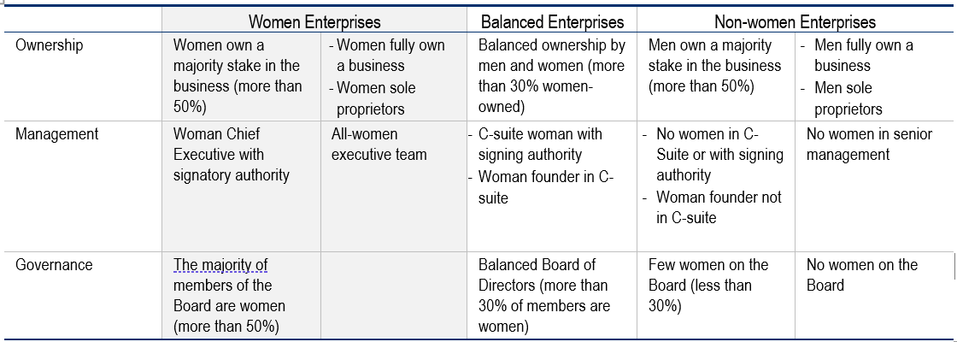

Note: The preferred definitions of women MSMEs under the framework of the WE-finance Code are shaded in grey.
Source: WE Finance Code – Guidelines for Country Implementation, 2023

